REFERENCE
REFERENCE AND DETERMINING WHICH CALCULATOR TO USE:

IN HOUSE BILLING | CONFLICTING TRIP CALCULATOR | CONFLICTING TRIP CALCULATOR: Use this calculator if your trip's hours conflict with our RUSD Home to School Routes. If your trip's hours lie outside of the 8:30 AM -1:30 PM (Wednesdays 8:30 AM - 12:30 PM) time frame and is being funded by an IN HOUSE source, use this calculator. NOTE: Also use this calculator if your trip causes a driver to exceed a 16 hour work day or trips where the group is not back to their site by 9:00PM on a weekday, including Friday. Conflicting trips have a higher likelihood of being outsourced to a vendor. This calculator gives you the estimate if your trip gets contracted out.

IN HOUSE BILLING | NON-CONFLICTING (RUSD) TRIP CALCULATOR | NON-CONFLICTING (RUSD) TRIP CALCULATOR: Use this calculator if your trip's hours DO NOT conflict with our RUSD Home to School Routes. If your trip's hours lie within the 8:30 AM -1:30 PM (Wednesdays 8:30 AM - 12:30 PM) time frame and is being funded by an IN HOUSE source, use this calculator. Non-conflicting trips are typically covered by our RUSD drivers unless there are a high volume of trips already submitted for the non-conflicting time period on a given day. NOTE: You will be notified if a non-conflicting trip will need to be outsourced so you can plan appropriately or look into another date for your trip.

OUTSIDE BILLING | CALCULATOR FOR OUTSIDE BILLING | CALCULATOR FOR OUTSIDE BILLING: Use this calculator if transportation for your trip is being funded by an outside source/company. If your trip does not conflict with home to school service and lies within the 8:30 AM -1:30 PM (Wednesdays 8:30 AM - 12:30 PM) time frame, use the calculator provided. If your trip DOES conflict with service, send an email to ALLTRANSPORTATIONOFFICESTAFF2@rialtousd.org that includes all necessary trip details and we will provide you with the estimate for the trip. There is a higher likelihood conflicting trips will need to be outsourced to a vendor, therefore we will need to provide you with the estimate provided by the vendor we book with.

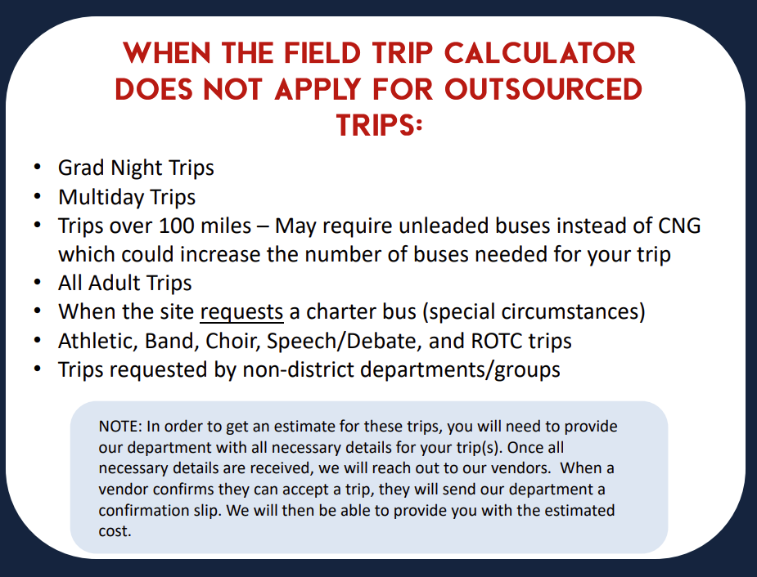

AND MS Grad Bash trips that are reflective of Grad Night trips

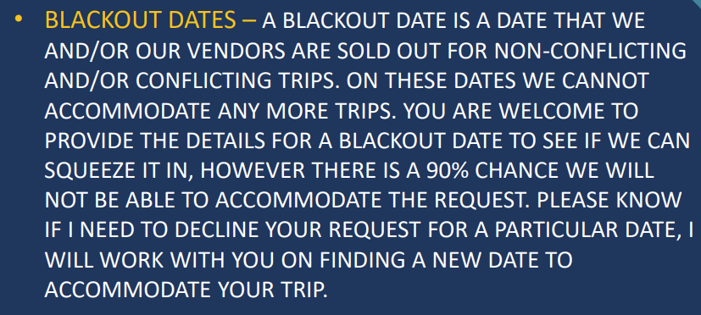

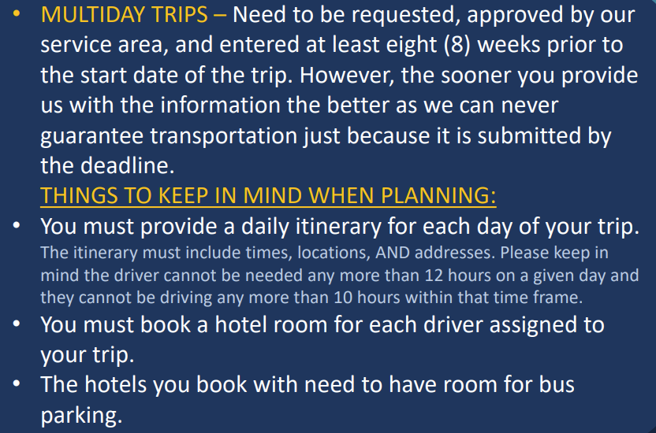

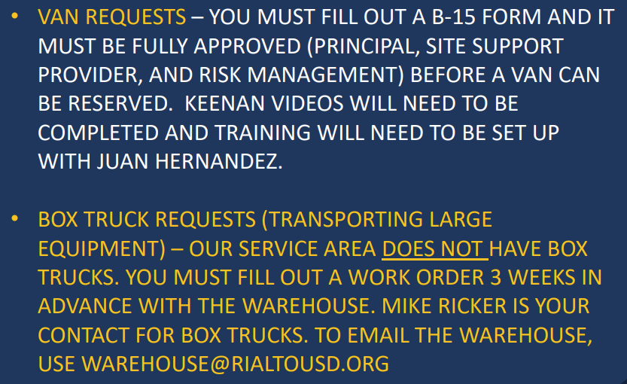

CONFLICTING TRIP CALC-IN HOUSE
CONFLICTING TRIP CALCULATOR (CONTRACT)
TRIP CALCULATOR
 |  |  |  |  |  |  |  |  |  |  |  | MIN 5HR RATE
 |  |  |  |  |  |  |  |  |  |  |  |  | No. Seats adults | No. Seats pupils
 |  |  |  |  |  |  |  |  |  | Yes | PreK-3 | $625.00 | 2 | 75
*USE THIS CALCULATOR IF THE TIMES OF YOUR TRIP CONFLICT WITH OUR RUSD ROUTES.
Any trip that is outside of the 8:30AM to 1:30PM time frame is considerred conflicting and is subject to being contracted out. There are select dates that the conflicting time is different.
NOTE: USE THE TRIP CALENDAR FOR THE CURRENT SCHOOL YEAR TO DETERMINE THE NON-CONFLICTING TIMES FOR THE DATE OF YOUR TRIP.
 | SURVEY - Drop-down menu |  |  |  |  |  |  | 0:15:00 | 0:15:00 | No | 4-5
1A | Day of the Week | Weekend or Holiday | No |  |  |  | The total cost on this estimator will not apply to your trip. Please Call Transportation 909-820-7862 | 0:30:00 | 0:30:00 |  | Mixed Elem | HR RATE | TOTAL HOURS
1B | Special Request | Multiple Day Trip | No |  |  |  |  | 0:45:00 | 0:45:00 |  | 6-12 | $72.00 | 2.75
1C | Special Request | Mountain Trip | No |  |  |  |  | 1:00:00 | 1:00:00
1D | Special Request | Special Request Charter Bus CIF/Playoffs | No |  |  |  |  | 1:15:00 | 1:15:00
1E | Special Request | Planned Meal Stop | No | Be sure to include location in Easy Trip request - consider mileage |  |  |  | 1:30:00 | 1:30:00
*THIS CALCULATOR IS MEANT TO GIVE AN ESTIMATE FOR YOUR TRIP. YOU WILL BE BILLED APPROPRIATELY AFTER THE TRIP IS COMPLETED. PLEASE MAKE SURE TO OVERESTIMATE IN CASE YOUR TRIP RUNS LONGER THAN EXPECTED.
1F | Special Accommodation | Air Conditioning | No |  |  |  |  | 1:45:00 | 1:45:00
1G | Special Accommodation | Safety Vest, Buckle Guard, Seat Belts , Car Seat, etc. | No |  |  |  |  | 2:00:00 | 2:00:00
1H | Special Accommodation | Wheel Chair | No |  |  |  |  | 2:15:00 | 2:15:00
 |  | # of Buses Calculator |  |  |  | *FOR ALL GRAD NIGHT TRIPS, MIDDLE SCHOOL GRAD BASHES THAT ARE REFLECTIVE OF A GRAD NIGHT TRIP, OVERNIGHT TRIPS, AND ALL ADULT TRIPS, PLEASE CONTACT TRANSPORTATION FOR AN ESTIMATE. |  | 2:30:00 | 2:30:00
 | 2A | Grade | PreK-3 | Drop Down(Select One) |  |  |  | 2:45:00 | 2:45:00
 | 2B | Number of Adults | 3 |  |  |  |  | 3:00:00 | 3:00:00
 | 2C | Number of Students | 150 |  |  |  |  | 3:15:00 | 3:15:00
 | 2D | Miles (Roundtrip) | 50 |  |  |  |  | 3:30:00 | 3:30:00
 | 2E | Depart from School (Time you want the bus to arrive at your site) | 1:45:00 | Drop Down(Select One) |  |  |  | 3:45:00 | 3:45:00
 | 2F | Arrival to School (Return time) | 4:30:00 | Drop Down(Select One) |  |  |  | 4:00:00 | 4:00:00
 |  |  |  |  |  |  |  | 4:15:00 | 4:15:00
 | 3A | Number of Buses Required | 3 |  |  |  |  | 4:30:00 | 4:30:00
 |  |  |  |  |  |  |  | 4:45:00 | 4:45:00
 | 3B | TOTAL COST PER BUS = | $625.00 |  | This is an estimate only. The actual cost will be billed after the trip is completed. |  |  | 5:00:00 | 5:00:00
 | 3C | GRAND TOTAL = | $1,875.00 |  |  |  |  | 5:15:00 | 5:15:00
 |  |  |  |  |  |  |  | 5:30:00 | 5:30:00
 |  |  |  |  |  |  |  | 5:45:00 | 5:45:00
TRANSPORTATION SERVICES
RIALTO UNIFIED SCHOOL DISTRICT
625 W. RIALTO AVE. RIALTO, CA 92376
 |  |  |  |  |  |  |  | 6:00:00 | 6:00:00
Phone 909 . 820 . 7862 | Fax 909 . 820 . 7862
 |  |  |  |  |  |  |  | 6:15:00 | 6:15:00
 |  |  |  |  |  |  |  | 6:30:00 | 6:30:00
 |  |  |  |  |  |  |  | 6:45:00 | 6:45:00
 |  |  |  |  |  |  |  | 7:00:00 | 7:00:00
 |  |  |  |  |  |  |  | 7:15:00 | 7:15:00
 |  |  |  |  |  |  |  | 7:30:00 | 7:30:00
 |  |  |  |  |  |  |  | 7:45:00 | 7:45:00
 |  |  |  |  |  |  |  | 8:00:00 | 8:00:00
 |  |  |  |  |  |  |  | 8:15:00 | 8:15:00
 |  |  |  |  |  |  |  | 8:30:00 | 8:30:00
 |  |  |  |  |  |  |  | 8:45:00 | 8:45:00
 |  |  |  |  |  |  |  | 9:00:00 | 9:00:00
 |  |  |  |  |  |  |  | 9:15:00 | 9:15:00
 |  |  |  |  |  |  |  | 9:30:00 | 9:30:00
 |  |  |  |  |  |  |  | 9:45:00 | 9:45:00
 |  |  |  |  |  |  |  | 10:00:00 | 10:00:00
 |  |  |  |  |  |  |  | 10:15:00 | 10:15:00
 |  |  |  |  |  |  |  | 10:30:00 | 10:30:00
 |  |  |  |  |  |  |  | 10:45:00 | 10:45:00
 |  |  |  |  |  |  |  | 11:00:00 | 11:00:00
 |  |  |  |  |  |  |  | 11:15:00 | 11:15:00
 |  |  |  |  |  |  |  | 11:30:00 | 11:30:00
 |  |  |  |  |  |  |  | 11:45:00 | 11:45:00
 |  |  |  |  |  |  |  | 12:00:00 | 12:00:00
 |  |  |  |  |  |  |  | 12:15:00 | 12:15:00
 |  |  |  |  |  |  |  | 12:30:00 | 12:30:00
 |  |  |  |  |  |  |  | 12:45:00 | 12:45:00
 |  |  |  |  |  |  |  | 13:00:00 | 13:00:00
 |  |  |  |  |  |  |  | 13:15:00 | 13:15:00
 |  |  |  |  |  |  |  | 13:30:00 | 13:30:00
 |  |  |  |  |  |  |  | 13:45:00 | 13:45:00
 |  |  |  |  |  |  |  | 14:00:00 | 14:00:00
 |  |  |  |  |  |  |  | 14:15:00 | 14:15:00
 |  |  |  |  |  |  |  | 14:30:00 | 14:30:00
 |  |  |  |  |  |  |  | 14:45:00 | 14:45:00
 |  |  |  |  |  |  |  | 15:00:00 | 15:00:00
 |  |  |  |  |  |  |  | 15:15:00 | 15:15:00
 |  |  |  |  |  |  |  | 15:30:00 | 15:30:00
 |  |  |  |  |  |  |  | 15:45:00 | 15:45:00
 |  |  |  |  |  |  |  | 16:00:00 | 16:00:00
 |  |  |  |  |  |  |  | 16:15:00 | 16:15:00
 |  |  |  |  |  |  |  | 16:30:00 | 16:30:00
 |  |  |  |  |  |  |  | 16:45:00 | 16:45:00
 |  |  |  |  |  |  |  | 17:00:00 | 17:00:00
 |  |  |  |  |  |  |  | 17:15:00 | 17:15:00
 |  |  |  |  |  |  |  | 17:30:00 | 17:30:00
 |  |  |  |  |  |  |  | 17:45:00 | 17:45:00
 |  |  |  |  |  |  |  | 18:00:00 | 18:00:00
 |  |  |  |  |  |  |  | 18:15:00 | 18:15:00
 |  |  |  |  |  |  |  | 18:30:00 | 18:30:00
 |  |  |  |  |  |  |  | 18:45:00 | 18:45:00
 |  |  |  |  |  |  |  | 19:00:00 | 19:00:00
 |  |  |  |  |  |  |  | 19:15:00 | 19:15:00
 |  |  |  |  |  |  |  | 19:30:00 | 19:30:00
 |  |  |  |  |  |  |  | 19:45:00 | 19:45:00
 |  |  |  |  |  |  |  | 20:00:00 | 20:00:00
 |  |  |  |  |  |  |  | 20:15:00 | 20:15:00
 |  |  |  |  |  |  |  | 20:30:00 | 20:30:00
 |  |  |  |  |  |  |  | 20:45:00 | 20:45:00
 |  |  |  |  |  |  |  | 21:00:00 | 21:00:00
 |  |  |  |  |  |  |  | 21:15:00 | 21:15:00
 |  |  |  |  |  |  |  | 21:30:00 | 21:30:00
 |  |  |  |  |  |  |  | 21:45:00 | 21:45:00
 |  |  |  |  |  |  |  | 22:00:00 | 22:00:00
 |  |  |  |  |  |  |  | 22:15:00 | 22:15:00
 |  |  |  |  |  |  |  | 22:30:00 | 22:30:00
 |  |  |  |  |  |  |  | 22:45:00 | 22:45:00
 |  |  |  |  |  |  |  | 23:00:00 | 23:00:00
 |  |  |  |  |  |  |  | 23:15:00 | 23:15:00
 |  |  |  |  |  |  |  | 23:30:00 | 23:30:00
 |  |  |  |  |  |  |  | 0:00:00 | 0:00:00

RUSD TRIP CALC-IN HOUSE
RUSD TRIP CALCULATOR (NON-CONFLICTING)
TRIP CALCULATOR
*USE THIS CALCULATOR IF YOUR TRIP DOES NOT CONFLICT WITH OUR RUSD ROUTES.
NOTE: USE THE TRIP CALENDAR FOR THE CURRENT SCHOOL YEAR TO DETERMINE THE NON-CONFLICTING TIMES FOR THE DATE OF YOUR TRIP
This calculator is used only when scheduled trip times are between 8:30 am to 1:30 pm (Verify times on Trip Calendar) or Weekend/Holidays/Breaks.
Calculate the number of buses needed for the trip
 | # passengers | seats required | Total buses Required
# Kinder-3RD |  | 0 | 4
# 4TH and up | 200 | 91
*THIS CALCULATOR IS MEANT TO GIVE AN ESTIMATE FOR YOUR TRIP. YOU WILL BE BILLED APPROPRIATELY AFTER THE TRIP IS COMPLETED. PLEASE MAKE SURE TO OVERESTIMATE IN CASE YOUR TRIP RUNS LONGER THAN EXPECTED.
MIXED - Elementary | 0 | 0

WEEKDAY RATES (Mon-Friday) - This is an estimate only.
Please add 45 minutes prior to Pick-up time at School and 30 minutes after Return time at School (drop-off).
 | Pick-up students from school | Return students to school | Hours
*NOTE: YOU WILL BE CHARGED ADDITIONAL TIME IF THE BUS IS LEFT UNKEPT. (TRASH, SPILLS, ETC.)
drop down menu | 9:45:00 | 19:00:00 | 9.25

 |  | at $34.02/hr | at $51.03/hr | Total
Hours | 9.25 | 8.00 | 1.25 | Hourly
 |  | $272.16 | $63.79 | $335.95

Roundtrip |  | at $2.79/mi |  | Total
Mileage | 150 | 150 |  | Mileage | This is an estimate. Actual cost is billed after the trip is completed
 |  | $418.50 |  | $418.50

 |  |  | Total Per Bus | Grand Total
# Buses(total buses required) | 4 |  | $754.45 | $3,017.79

WEEKEND RATES (Saturday-Sunday, Holidays, Breaks) - This is an estimate only
Please add 1 hour prior to Pick-up time at School and 45 minutes after Return time at School (drop-off).
 | Beg Time | End Time | Hours
drop down menu | 5:00:00 | 14:00:00 | 9

 |  | at $51.03/hr | at $68.04/hr | Total
Hours | 9.00 | 8.00 | 1.00 | Hourly
 |  | $408.24 | $68.04 | $476.28

TRANSPORTATION SERVICES
RIALTO UNIFIED SCHOOL DISTRICT
625 W. RIALTO AVE. RIALTO, CA 92376
Roundtrip |  | at $2.79/mi |  | Total
Mileage | 50 | 50 |  | Mileage | This is an estimate. Actual cost is billed after the trip is completed
 |  | $139.50 |  | $139.50

Phone 909 . 820 . 7862 | Fax 909 . 820 . 7862
 |  |  | Total Per Bus | Grand Total
# Buses | 4 |  | $615.78 | $2,463.12

CALCULATOR FOR OUTSIDE BILLING
RUSD TRIP CALCULATOR (NON-CONFLICTING- OUTSIDE BILLING)
TRIP CALCULATOR
*USE THIS CALCULATOR IF YOUR TRIP DOES NOT CONFLICT WITH OUR RUSD ROUTES.
NOTE: USE THE TRIP CALENDAR FOR THE CURRENT SCHOOL YEAR TO DETERMINE THE NON-CONFLICTING TIMES FOR THE DATE OF YOUR TRIP
This calculator is used only when scheduled trip times are between 8:30 am to 1:30 pm (Verify times on Trip Calendar) or Weekend/Holidays/Breaks.
Calculate the number of buses needed for the trip
 | # passengers | seats required | Total buses Required
# Kinder-3RD | 0 | 0 | 2
# 4TH and up | 52 | 24
*THIS CALCULATOR IS MEANT TO GIVE AN ESTIMATE FOR YOUR TRIP. YOU WILL BE BILLED APPROPRIATELY AFTER THE TRIP IS COMPLETED. PLEASE MAKE SURE TO OVERESTIMATE IN CASE YOUR TRIP RUNS LONGER THAN EXPECTED.
MIXED - Elementary | 20 | 8

WEEKDAY RATES (Mon-Friday) - This is an estimate only. |  |  |  |  |  | CONFLICTING TRIPS - OUTSIDE BILLING IF YOUR TRIP CONFLICTS WITH OUR RUSD ROUTES AND YOUR TRIP WILL BE BILLED USING EXTERNAL FUNDS (OUTSIDE BILLING), PLEASE EMAIL ALL TRANSPORTATION OFFICE STAFF AT ALLTRANSPORTATIONOFFICESTAFF2@RIALTOUSD.ORG FOR AN ESTIMATE. IF THE TRIP NEEDS TO BE OUTSOURCED TO A VENDOR, WE WILL PROVIDE YOU WITH THE ESTIMATED COST FROM THE COMPANY/VENDOR WE BOOK WITH.
Please add 45 minutes prior to Pick-up time at School and 30 minutes after Return time at School (drop-off).
 | Pick-up students from school | Return students to school | Hours
*NOTE: YOU WILL BE CHARGED ADDITIONAL TIME IF THE BUS IS LEFT UNKEPT. (TRASH, SPILLS, ETC.)
drop down menu | 9:00:00 | 19:15:00 | 10.25

 |  | at $76.53/hr | at $102.04/hr | Total
Hours | 10.25 | 8.00 | 2.25 | Hourly
 |  | $612.24 | $229.59 | $841.83

Roundtrip |  | at $2.79/mi |  | Total
Mileage | 300 | 300 |  | Mileage | This is an estimate. Actual cost is billed after the trip is completed
 |  | $837.00 |  | $837.00

 |  |  | Total Per Bus | Grand Total
# Buses(total buses required) | 2 |  | $1,678.83 | $3,357.66

WEEKEND RATES (Saturday-Sunday, Holidays, Breaks) - This is an estimate only
Please add 1 hour prior to Pick-up time at School and 45 minutes after Return time at School (drop-off).
 | Beg Time | End Time | Hours
drop down menu | 5:00:00 | 15:00:00 | 10

 |  | at $76.53/hr | at $102.04/hr | Total
Hours | 10.00 | 8.00 | 2.00 | Hourly
 |  | $612.24 | $204.08 | $816.32

TRANSPORTATION SERVICES
RIALTO UNIFIED SCHOOL DISTRICT
625 W. RIALTO AVE. RIALTO, CA 92376
Roundtrip |  | at $2.79/mi |  | Total
Mileage | 100 | 100 |  | Mileage | This is an estimate. Actual cost is billed after the trip is completed
 |  | $279.00 |  | $279.00

Phone 909 . 820 . 7862 | Fax 909 . 820 . 7862
 |  |  | Total Per Bus | Grand Total
# Buses | 2 |  | $1,095.32 | $2,190.64

